CHAI CHITAI (Tea Leaf,etc)
DATE | INV NO. | DESCRIPTIONS | QTY | BILLS | PRICE | SUBTOTAL | TOTAL | DISCOUNT | TAX | TOTAL | IDR 1,687,000
3-Mar-2026 | #1 | MANGO OOLONG | 4 | 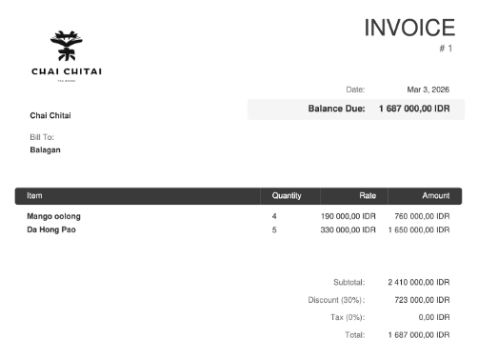 | Rp190,000.00 | Rp760,000.00 | Rp2,410,000.00 | Rp723,000.00 | Rp0.00 | Rp1,687,000.00
 |  | DA HONG PAO | 5 |  | Rp330,000.00 | Rp1,650,000.00

 |  |  |  |  | Rp760,000.00 | Rp0.00 | Rp0.00 | Rp0.00 | Rp0.00 | Rp0.00

GRAND TOTAL |  |  |  | IDR 1,687,000

